Task
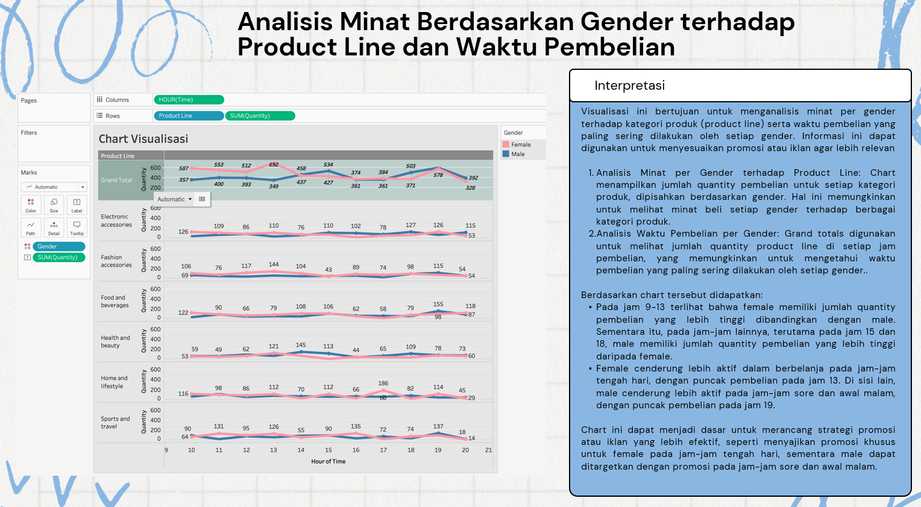
Tugas Kecil Visualisasi Informasi
Dosen: Jeriko Gormantara, S.Si., M.Si.
Program Studi: Sistem Informasi
Tipe: Tugas Mandiri
Batas Pengumpulan: Senin, 12 Mei 2025, Pukul 23.59

Tugas :
1. Buatlah Minimal 5 Chart beserta dengan Interpretasi untuk masing-masing kelima chart tersebut dengan munggunakan data pada Sheet 1
2. Hasil Visualisasi dan Interpretasi dibuat kedalam PPT (tetap disave as pdf) dengan minimal 7 slide (1 slide untuk cover, nama, nim dll dan 1 slide lampirkan link profil Tableau) , contoh seperti pada gambar dibawah
3. Chart harus memuat - Geographical Mapping / Density Plot (Plot using Marks: Density) - Cross Tab Table - Grand Total / Sub Totals - Highlight Table - Calculated Field dengan memuat value/column baru
4. Buat Chart semenarik dan se informatif mungkin
5. Tiga Poin Penilaian akan berdasarkan: a. Teknik visualisasi yang digunakan b. Kejelasan Interpretasi Data c. Keindahan Visualisasi

KUMPUL TUGAS DI SIKOLA
Format Nama File: | TK_NIM_NAMA LENGKAP | CONTOH: TK_H01234567_Jeriko Gormantara

Contoh Hasil Pengerjaan :

